Sheet1
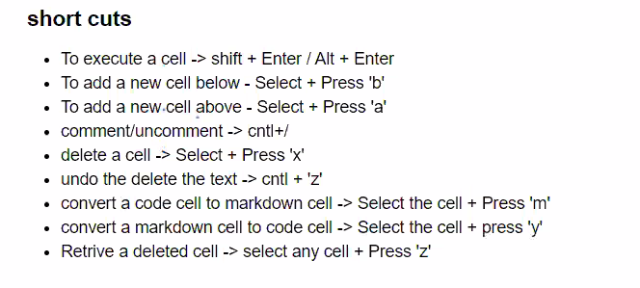
https://docs.anaconda.com/anaconda/install/

